F-4
Florida Conference of Seventh-Day Adventists
Evangelism Report of Income & Expense

Pastor's Name |  |  |  | Speaker

Auditorium | Church |  |  | Held at
Tent | From |  |  | To
Church | Baptisms |  |  | POF

Date | Check Payable to | Explanation of Expense Items | Check # | Expenses $$ | Date | Offerings

 | TOTAL EXPENSE & OFFERINGS |  |  | - |  | -
SEE GUIDELINES IN THE INSTRUCTION PAGE
ALL INVOICES OR VOUCHER COPIES,
ALSO CANCELLED CHECKS AND BANK
STATEMENTS SHOULD ACCOMPANY
REPORTS

 |  |  | FUNDING
 |  |  | From Conference
 |  |  | From Church
 |  |  | From Offerings |  | $-
Please acknowledge that the Church has given the |  |  | Total Funds |  | $-
proper forms (W-8 and/or W-9;s) to the appropriate |  |  | Total Expenses |  | $-
parties. You are responsible for their 1099's. |  |  | BALANCE FOR EVANGELISM: |  | $-
 |  |  | If your expenses do not exceed Conference subsidy,
_____________________________________________ |  |  | please remit balance to Conference.
Signature

EVANGELISM REPORT REQUIREMENTS

1. Itemized receipts copies must be turned in with the Evangelism Report. They should include an explanation for the expense.
 | a. Copies of cancelled endorsed checks can only be used as a receipt if the payment is to an individual for a qualified expense. (See below) A signed acknowledgement should be attached from the individual along with an explanation for the payment. (An example of this would be paying someone to prepare 10 meals at $5 each = $50).

2. Per Diem & Mileage -- Per Diem should ONLY be paid when an individual is away from home overnight. A detailed list of mileage should be attached including the date, place traveled, and total miles. If reimbursing for gas instead of mileage, gas receipts must be attached.

3. Entertainment and eating out should be kept to a minimum. Receipts for eating out must include the names of the people eating and the purpose of the meeting. Gift cards given to people would expect the same requirements such as the purpose of the gifts cards and to whom.

4. MUSICIANS, AND SPEAKERS: All wages for services can be paid through the Conference if you so choose to. IF the church decides to pay these categories of people directly, please give t hem the proper forms as described on the first page on the bottom left hand corner. Another form may be necessary for BIBLE WORKERS (contract). Please contact the Evangelism Coordinator for additional information.

UNACCEPTABLE REPORT ITEMS

1. Painting, repairs and maintenance to your church do not qualify as an evangelism expense. These items should be paid from the local church budget.

2. Church electric and utility bills also do not qualify. These items should be paid from the local church budget.

3. Pruchases of equipment such as video players, projectors, and computers, etc. do not qualify.

4. Auto repairs to personal automobiles are a personal expense and do not qualify to be paid from evangelism funds. This includes Bible wowrkers personal automobiles.

5. If your church is currently renting a building, rent for the church building is ONLY acceptable when additional rent is charged if the church is used for additional time to hold the meetings. Then only the additional rent can be reported. The usual rent charge for the church should be paid fromt he local church budget.

F-5
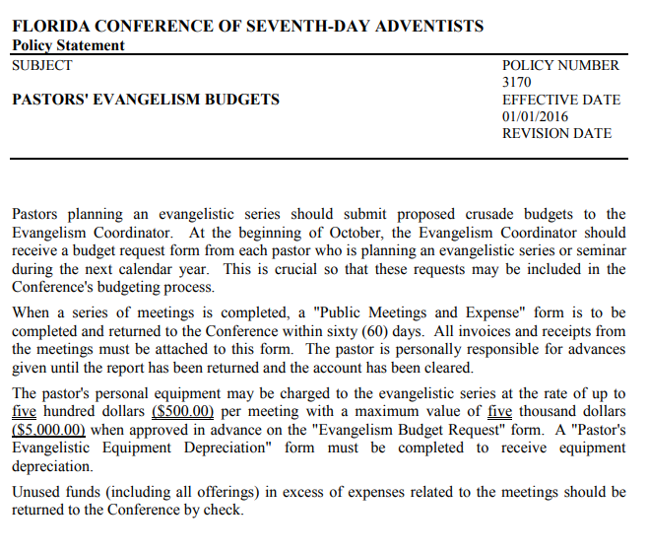

ADDITIONAL EVANGELISM INFORMATION
Pastors are required to work with the treasurer on managing and keeping the receipts. The Senior Pastor is the sole person who determines how the funds are spent. Pastors please work with your treasurer to ensure that the Evangelism Expense Report is done properly and submitted on time. At the end of the year the Evangelism Expense Reports are due with copies of all receipts and/or copies of cashed checks. Evangelism Expense Reports will not be accepted until all of the receipts are received. The local church treasurer will manage the evangelism receipts and turn in the Evangelism Expense Report with all copies to the Pastoral Ministries department.

Important Dates
2021-12-16 | Receipts from 2021 and previous years are due
2022-11-01 | Deadline to request Evangelism funds for 2023
2022-12-16 | Receipts from 2022 and previous year are due

IRS Requirements
If you plan on using evangelism dollars to pay for helpers, any gifts/pay over $600 must be processed with a 1099-NEC through the local treasurer/church.

Cap for Honorariums
There is a cap of $200 for honorariums given for seminar presentations, sermons, etc. Such payments should go through local church payroll. Keep this cap in mind if you choose to express appreciation in a monetary way to those who have heldped you in your meetings.

Locally Funded
If the person is being paid more than once, such as Bible Worker, they should be processed with Human Resources at the Conference office as a locally funded employee and will require a contract and a W9.

Expenses
Our auditors require that a dated invoice or receipt must accompany every expenditure. Since all funds are going through the local church, your treasurer will keep all original receipts and they will be reviewed during the local church audit.

Itemized receipt copies must be turned in with the Evangelism Report. They should include an explanation for the expense.
Streaming Equipment permitted.

For additional questions contact
gizelle.best@floridaconference.com

F-11
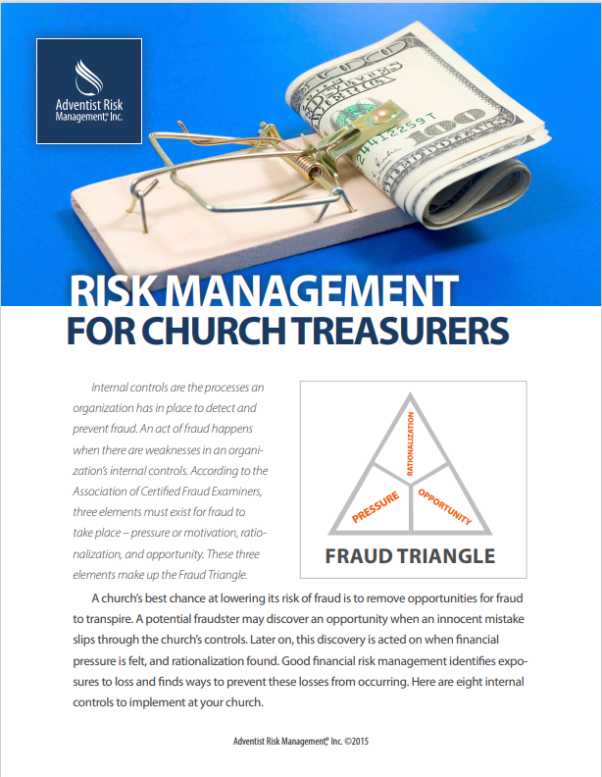
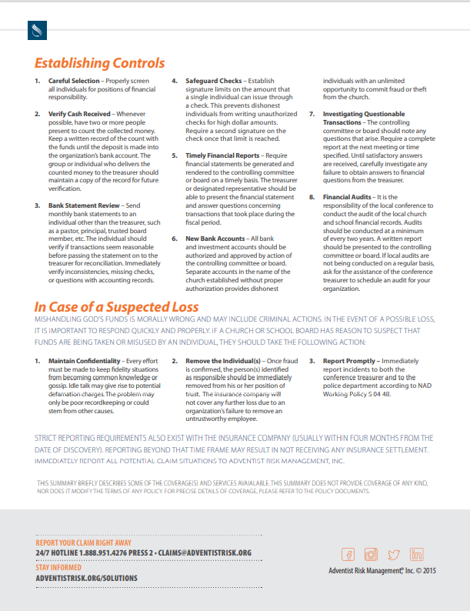
BASIC INTERNAL CONTROL CHECKLIST

Segregate or separate the financial duties of custody, authorization, and record keeping. Include at least two unrelated people to reduce the temptation or perception of any wrong-doing.

Place an X under Yes, No, or N/A

Yes | No | N/A | CONTRIBUTIONS
 |  |  | Do two or more unrelated people collect the donations and maintain custody of the collection until it is secured or deposited?
 |  |  | Is more than one person required to access the safe when donations are stored?
 |  |  | Are checks stamped "For Deposit Only" or electronically scanned for deposits as soon as possible?
 |  |  | Do you ensure that a single individual is not involved in all three areas of counting donations, entering in the donor system, and recording in the accounting system?
 |  |  | Is the donor system (when different than Jewel or QuickBooks) consistently reconciled to the accounting system?
 |  |  | Are online giving records consistently agreed to deposited amounts?

Yes | No | N/A | CASH DISBURSEMENTS
 |  |  | Is check stock maintained in a secured location?
 |  |  | Do you ensure that a single individual does not have access to check stock, signing authority, and access to the accounting system?
 |  |  | Is supervisor approval, either before or after the expense, required on all expense reports and corporate credit card charges?
 |  |  | Do check signers review supporting documentation before signing checks?
 |  |  | Are bank reconciliations performed monthly?
 |  |  | Are budget to actual amounts compared and significant fluctuations researched?
 |  |  | Do ministry leaders receive information for their budget areas to review?

Yes | No | N/A | PAYROLL
 |  |  | Are all timesheets approved by the employee and supervisor?
 |  |  | Is payroll approved by someone other than the preparer?
 |  |  | Is the final payroll report reviewed by the approver to verify no changes were made subsequent to approval?
 |  |  | Is the top staff leader's salary annually approved by the board using comparability data?
 |  |  | Is there documentation to support decisions on employee vs. independent contractor status and exempt (salaried) vs. non-exempt hourly determinations? Examples: W9, License, Contract, Liability Ins.

0 | 0 | 0
#DIV/0! | #DIV/0!

Each of these questions should be answered "Yes". A "No" indicates a possible weakness in internal controls. A pecentage highter than 20% on your No's should be addressed as soon as possible. Develop a review for solutions to be implemented to enhance the controls in any weak reas.

This information was taken from https://www.ecfa.org.

NAD GUIDELINES

203.01 Sabbath Church Offering
The treasurer’s first contact with church funds comes when the Sabbath church offering is received. Typically the offering is taken by the deacons or ushers, and is carried by them to a specified private location away from the main sanctuary. The church treasurer should be waiting at that location to take over the offering—loose cash and envelopes— from the deacons. At this time it is necessary that the loose offering be counted by the deacons and the church treasurer jointly. It is not appropriate that the church treasurer count the offering alone, while the deacons stand idly by, nor is it permissible that the church treasurer takes control without the loose offering being counted. When the counting process is complete, the church treasurer should write a temporary receipt for the total of the loose offering, and have it initialed by one or more of the deacons or another treasury assistant.

203.02 An Alternative Procedure
It is sometimes felt to be inconvenient to count the loose offering immediately as described above. If the counting is to be delayed until after the Sabbath, it is acceptable to use a bag with two locks, both of which must be unlocked to secure access to the contents. The church treasurer holds the key to only one of these locks; the other key is in the hands of whatever individual is designated to assist the treasurer in the count of the loose offering and the processing of envelopes and their contents. The entire offering—loose cash and envelopes—is placed in this bag; both locks are locked, and the bag is left in the custody of the church treasurer until the agreed time for processing the offering.

203.03 Dual Custody
The procedures discussed above and in the following paragraphs may seem awkward or inconvenient, especially in the smaller churches, and should not be imposed arbitrarily or injudiciously. A gradual transition to this plan may be implemented over a period of time. The church treasurer should be particularly interested in seeing that they are faithfully followed, for they are for his/her protection. An immediate record of the cash received is witnessed by an individual other than the church treasurer, and when the formal receipt is written for the loose offering, it can be checked against the temporary receipt mentioned in paragraph 203.01 to establish that all funds received have been properly receipted. This principle of dual custody should be followed in the handling of all loose offerings and continue up to the time when a formal receipt is written by the church treasurer.
--Dual custody is important for the handling of all funds collected, loose offering as well as cash/checks in envelopes..
--The use of cash counts sheets for all funds collected is an effective tool to ensure the accuracy of funds collected. They expedite cash reconciliation and the deposit preparation process to ensure accuracy and completeness of all cash collected. Dual sign-offs of cash sheets also provide an audit trail to indicate dual custody of collected cash. As such, it is recommended that treasurers also use cash count sheets to facilitate dual custody of funds.

203.04 Sabbath School Offerings
The same plan is advisable in the handling of Sabbath school mission and expense offerings. Usually these offerings are picked up from the various classes by a Sabbath school officer and turned over to the church treasurer. It is recommended that two individuals pick up these offerings from the classes and that together they turn over the money immediately to the church treasurer. Either of the two procedures described can be followed:
__ A count of the money is made, and the church treasurer writes a temporary receipt to the Sabbath school officer;
__ Or the money is placed in a double-locked bag and is counted and receipted at the same time the church offering is processed.

The objective is the same: protection for the church treasurer. It establishes the fact that all cash received is finally accounted for in a formal receipt written by the treasurer.

203.05 Other Offerings
The plan outlined in the previous paragraphs should apply in the same way to other offerings taken by various organizations of the church— youth gatherings, prayer meeting, and all other programs. The Church
Manual is quite clear in stating that “the church treasurer is the custodian of all church funds.” None of the auxiliary organizations should feel that they are authorized to retain custody of the funds that their organizations receive from church members or others. In every case, such offerings must be turned over without delay to the church treasurer to be receipted and accounted for.

203.06 Offerings for Outside Groups
Occasionally a program is put on in the local church by an invited outside group with the advance agreement that all or a part of the offering taken will be handed over to that group. Such offerings should be handled just as other church offerings: the church treasurer should record the total amount of the offering after observing the safeguards of “dual custody” discussed in previous paragraphs. The church treasurer should then write a check to the treasurer or designated person of the outside group for the portion of the offering to which the group is entitled. In no case should the actual cash offering be split up with a portion handed directly to the group with no accounting record being made.

C-2
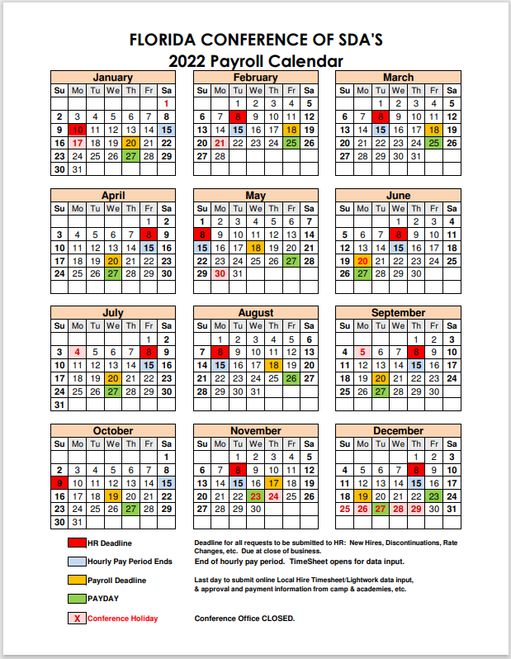

R-1
A TRAINING RESOURCES SUMMARY

Jewel has multiple ways to help treasurers get acquainted with the program.

JEWEL HELP MENU
Go to Help on the top menu. There you will see the following categories. Click on any one of them to access Jewel help.
 | Contents
 | Index
 | Treasurer's Handbook
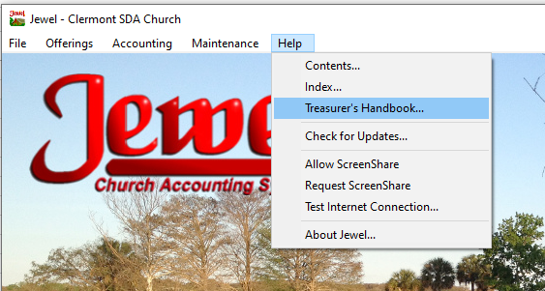

SCREEN SHARE
Your auditor can also offer her help by phone, email, or the use of "screen share" when needed.
Call your auditor if you need some help. Then on Jewel go to Help / Request Screen Share.
Ask your auditor to Allow the screen share.

JEWEL VIDEOS
Georgia-Cumberland Conference
Our sister Conference, the Georgia Cumberland, has created a series of training videos for Jewel and graciously has shared these resources with other Conferences. The videos are short (from about 3 to 8 minutes most of the time) and to the point.
Please feel free to click on the link below to access over 80 short videos on Jewel.
https://www.gccsda.com/auditing/10963

TREASURER'S MEETINGS
The Florida Conference has implemented a series of Treasurer's meetings to better educate our church treasurers on Jewel and other financial matters.

The dates for the 2022 Treasurer's meetings are as follows:

Via Zoom |  |  |  | At the Conference
2022-02-24 |  |  | 19:00:00 | Sunday, 8/28/22 | 9:00 - 3:00
2022-04-26 |  |  | 19:00:00
2022-06-16 |  |  | 19:00:00
2022-11-10 |  |  | 19:00:00

TREASURER RESOURCES LINK
The following resources are available at the Conference website. Click the link at the end of this section.

Deposit Calendar for Treasurers
Treasurer's Calendar
Church & Schools Auditor Listing
Guidelines for Church Treasurers
ACH EFT Form
Count Sheet for Treasurers
File Management for Treasurers
Organization of Documents
Treasurer's Bonus
Offering Schedule & Sunset Calendar
Retention of Records Policy
Jewel Frequently Asked Questions
https://floridaconference.com/ministries/treasury/treasury-resources/

AUDITORS OF FLORIDA CONFERENCE
Your Florida Conference Auditors are available to help you with Jewel training and other issues.

The Florida Conference auditors are:
Yolanda Acevedo |  | yolanda.acevedo@floridaconference.com
 |  | 813-716-0653
 |  | West Coast and some Central

Nancy Enriquez |  | nancy.enriquez@floridaconference.com
 |  | Central and East Coast
 |  | 407-754-5184

Laverne Tavarez |  | laverne.tavarez@floridaconference.om
 |  | South
 |  | 954-588-8669

R-10
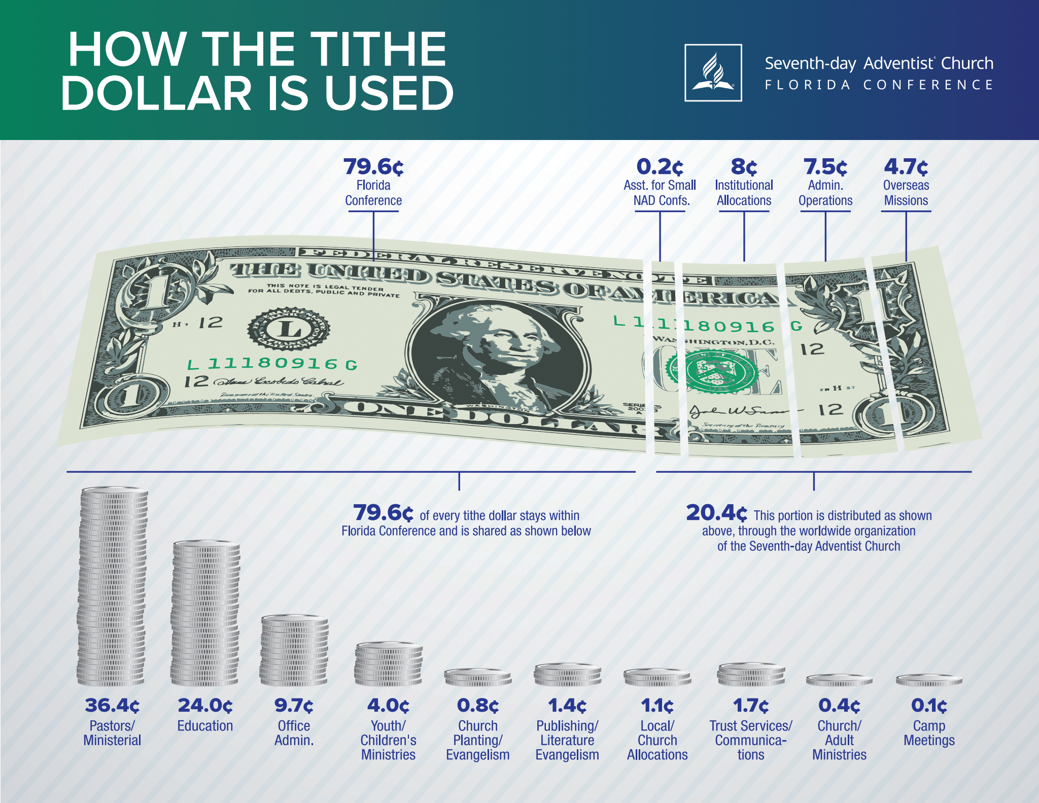

R-12
TUITION DONATIONS TO CHURCHES

Many churches have a tuition fund to support the local elementary or high SDA schools. These donations are deductible to the donor as long as they are donated to the general tuition fund. Funds donated for specific student are not deductible to the donor, thus it is encouraged for such donors to give the funds directly to the school for the specific student.

If the church accepts funds for an individual students, the church must create a Non-Deductible account in Jewel for that student. To create a non-deductible account, just de-select tax deductible. (Maintenance / Edit Accounts).

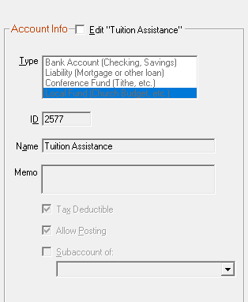

From IRS Publication 526 (2017) Charitable Contributions
Contributions You Can't Deduct
Tuition, or amounts you pay instead of tuition. You can't deduct as a charitable contribution amounts you pay as tuition even if you pay them for children to attend parochial schools or qualifying nonprofit daycare centers. You also can't deduct any fixed amount you must pay in addition to, or instead of, tuition to enroll in a private school, even if it is designated as a "donation."

R-13
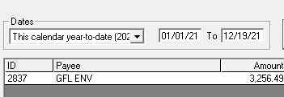
IRS REPORTING - 1099 NEC

Independent Contractor Compliance – 1099 Form: Based on the Internal Revenue Service regulations, unincorporated independent contractors, Sole Proprietors, Parnerships, and Limited Liability Corporations (LLC), to whom your church paid $600 or more for their services during the calendar year must be issued a 1099-NEC form on or before January 31 of the next year. Other Incorporated Businesses do not need a 1099-NEC.
Before hiring the Independent Contractor for services, the church must obtain:
* Form W-9 - Obtain at IRS.gov
* License to Operate
* Certificate of Liability
* Possible contract agreement

Gifts to Conference Pastors must be issued a 1099 regardless of the amount given.
There is a $200 honorarium to Florida Conference pastors.

How to get the 1099-NEC Form
Free from IRS.gov (order them the lastest in November to make sure you receive them.
Purchase from a local office supply store (Office Depot, etc.)

How to get a Jewel report to fill out the 1099-NEC
Go to Reports & Graphs / Choose Form 1099 Payments
The top menu lists the names of your vendors.
The bottom section is the payment(s) to that vendor.
Place a checkmark on each payment for services.
Then click ok.

See Example on the next page.

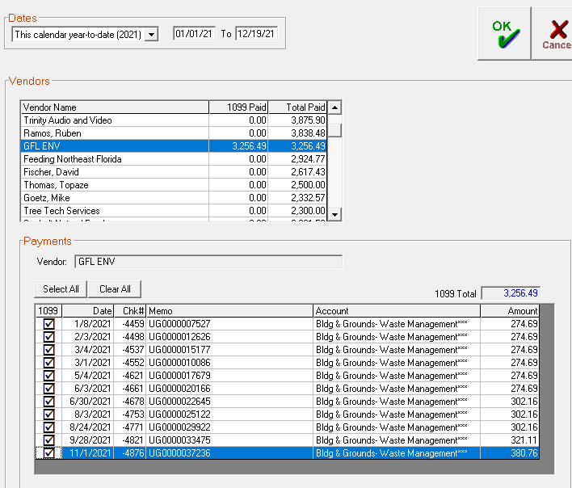

The report will look like this. It will include the vendor(s) and the total paid for services.

JEWEL COMPLETED REPORT

R-14
RESTRICTED FUNDS | From: Karen Hanke
 | Sent: Tuesday, February 1, 2022 8:33 AM
Restricted Funds are monies set aside for a particular purpose as a result of designated giving. They are permanently restricted for that purpose and cannot be used for other expenses of the nonprofit. By contrast, unrestricted funds may be used for any legal purpose appropriate to the organization. | To: Yolanda Acevedo <Yolanda.Acevedo@floridaconference.com>; Nancy Enriquez <nancy.enriquez@floridaconference.com>; LaVerne Tavarez <LaVerne.Tavarez@floridaconference.com>
 | Subject: Changing Restriction of Donation
RESTRICTED FUNDS
 | Good morning!
What are restricted funds?
Restricted funds are monies set aside for a particular purpose as a result of designated giving. They are permanently restricted to that purpose and cannot be used for other expenses of the non-profit. Examples of restricted funds are donations designated in the tithe envelope as Youth, Pathfinders, Help Fund, etc. | After MUCH consideration, conversations, and reading, churches may change the restriction of a donation. Per GCAS, Treasury Leadership and the Florida Uniform Prudent management of Institutional Funds Act. 😊

What about if the donation is for an unsolicited designation? | HOWEVER, the church must clearly document the efforts of reaching the donor and then document in the minutes the change of restriction. The funds should be used in the same “spirit” the donor wished or as close as possible.
The church could make a choice of asking the donor to redirect the funds to an active project or church operations. The church is not obligated to receive the funds when the designated purpose is not something the church would be engaged on. | Karen M. Hanke

The IRS is serious about restricted funds. Improper use can result in severe penalties, or even loss of exempt status.

If the restricted funds are unused for a very, very long time.
The church may follow certain steps to unrestrict funds that are inert for a long time in the church books. Here are the steps:
1. The treasurer (or any other person designated with that task) may contact the donor to ask for permission to change the restriction of the funds. The granting of permission from the donor would ideally be in writing. The donor's permission to redirect the funds should then be presented to the church board and documented in the minutes, along with the written permission.
2. If the church is unable to find the donor, the church must clearly document the efforts of reaching the donor.This documentation should include the date and the manner in which the attempt was made. After that the church board can then vote to un-restrict the funds. The unrestriction of the funds must be documented in the board minutes. The funds, however, should be used in the same "spirit" the donor wished or as close as possible.

IDENTIFYING RESTRICTED FUNDS IN JEWEL

To Identify Restricted Funds in Jewel
1. Go to Reports & Graphs / Financial Summary
2. Change the period to "All" and select "Detail"
3. Copy and paste
4. Identify the Accounts that are restricted
5. Create an extra column for Trust $ - Enter the formula of Begin. Bal + Deposits - Checks
6. Carry the formula down the column
7. For the Budget column enter Ending Balance - Trust $

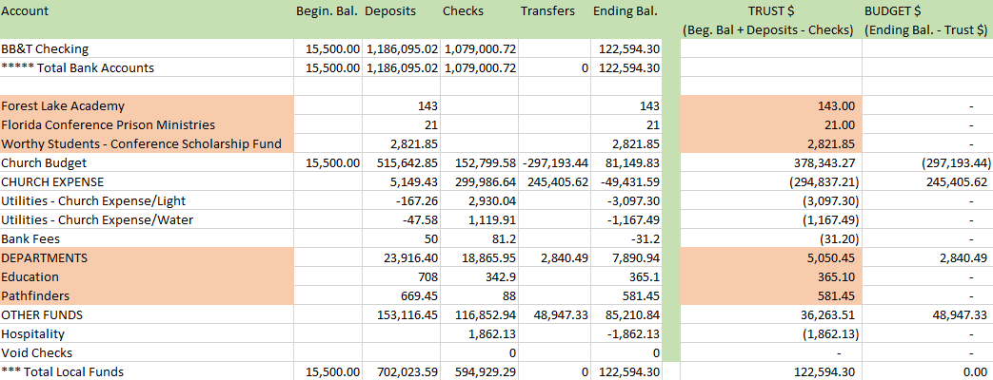

NOTES:
Only selected accounts are trust fu nds
Only positive balances are trust funds (negative balances mean funds were used)
If the trust fund is smaller than the Ending balance, the difference is church budget, but only when the difference is positive

TEAM
FLORIDA CONFERENCE TREASURY TEAM

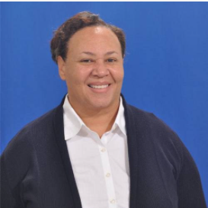

 | ELISA RAHMING
 | Florida Conference Treasurer | BERNADETTE CARBONELL | LAVERNE TAVAREZ
 | elisa.rahming@floridaconference.com | Assistant Treasurer | Church & School Internal Auditor - South Area
 | 407-644-5000 ext. 2201 | bernadette.carbonell@floridaconference.com | laverne.tavarez@floridaconference.com
 |  | 407-644-5000 ext. 2214 | 954-588-8669

 |  | Accounts Receivable & other tasks




 | KAREN HANKE
 | Under Treasurer |  | JANET VARGAS
 | karen.hanke@floridaconference.com | NILDA RAPERT | Accountant
 | 407-644-5000 | Senior Accountant | janet.vargas@floridaconference.com
 |  | nilda.rapert@floridaconference.com | 407-644-5000 ext. 2212
 |  | 407-644-5000 ext. 2222


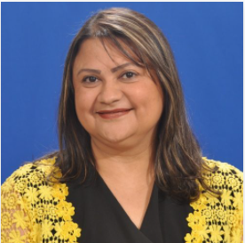

 | VICKIE MONDAY | SILVIE BORGES | RENEE BRODEN
 | Associate Treasurer | Accountant | Accountant
 | vickie.Monday@floridaconference.com | silvie.borges@floridaconference.com | renee.broden@floridaconference.com
 | 407-644-5000 ext. 2211 | 407-644-5000 ext. 2213 | 407-644-5000 ext. 2223

 |  | Deposits, Payments




 | ANDREW ELLIOTT | NANCY ENRIQUEZ | MARIANA BELLINO
 | Associate Treasurer | Church & School Internal Auditor - Central & NE area | Treasury Assistant
 | andrew.elliott@floridaconference.com | nancy.enriquez@floridaconference.com | mariana.bellino@floridaconference.com
 | 407-644-5000 ext. 2242 | 407-754-5184 | 407-644-5000 ext. 2216



 | NANCY ROJAS | YOLANDA ACEVEDO - West
 | Executive Operations Coordinator | Church & School Internal Auditor
 | nancy.rojas@floridaconference.com | yolanda.acevedo@floridaconference.com
 | 407-644-5000 ext. 2201 | 813-716-0653

